Sheet1
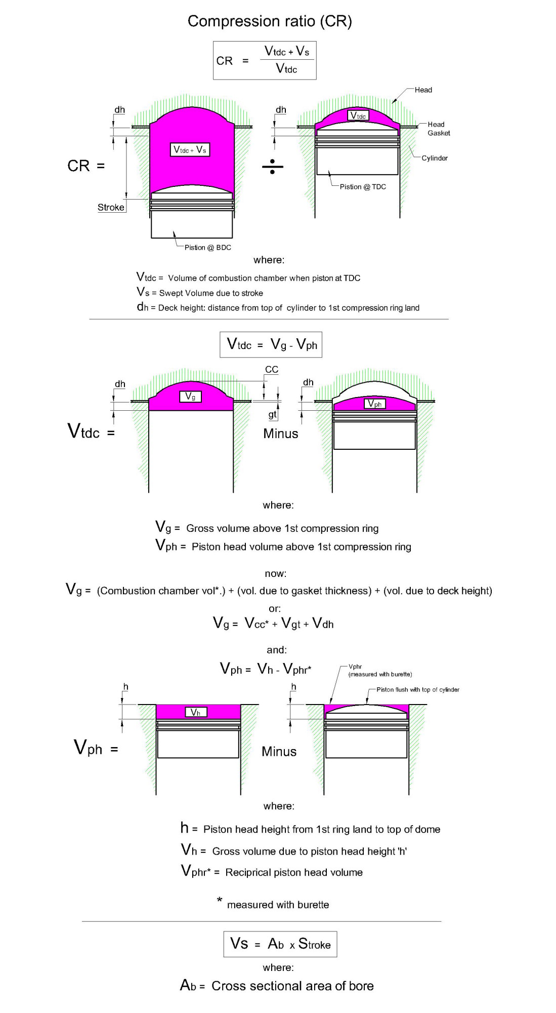
Compression Ratio Calculator

Inputs |  | Inputs

Bore [mm] | B = | 94.25
Stroke [mm] | S = | 70.6

Propsed Thickness to shave off head[mm] | T = | 0

Measured with burette:
Volume combustion chamber [ml] | Vcc = | 88.2
Piston head reciprical volume [ml] | Vphr = | 42

Piston height [mm] | h = | 16.4
Deck height (to compression ring) [mm] | dh = | 6.8
gasket thickness [mm] | gt = | 0.72

Outputs

Bore cross sectional area [mm^2] | A = | 6975.4
Piston head volume [ml] | Vph = | -72.4
Combustion chamber vol at TDC [ml] | Vtdc = | 68.3
Swept volume [ml] | Sv = | 492.5

Compression ratio | CR | 8.21


www.skrunkwerks.com

Intructions for procedure here: | Blog

A simpler method (less math) here: | Blog

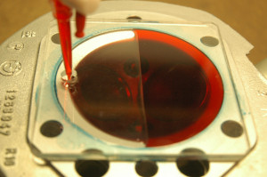
Measuring Vcc - Combustion chamber volume

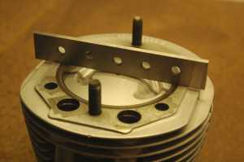
Measuring Vphr:
Step 1: Position top of piston flush with deck (top of cylinder)

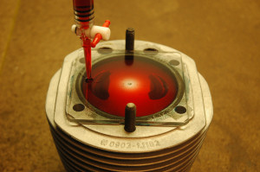
Measuring Vphr:
Step 2: Use Burette to measure volume

